Home
 |  |  | Last updated 01.03.17 by S Schoenian
2017 Meat Goat
Enterprise Budget |  |  | 

The purpose of this enterprise budget is to evaluate the profit potential of a commercial meat goat
enterprise in which the sale of live kids (for meat) is the primary source of income. It is assumed
that does kid annually and that replacements are saved from the herd and bred to kid as yearlings.
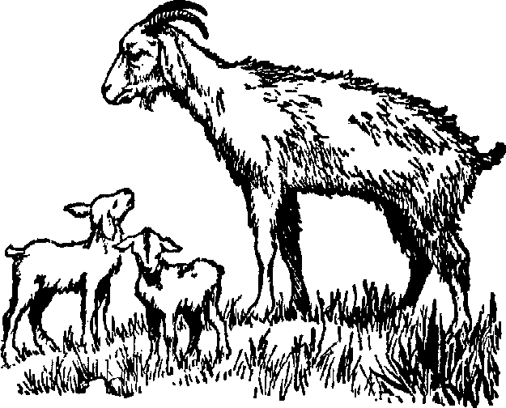
 | [1] | Assumptions
 | [2] | Income
 | [3] | Feed costs
 | [4] | Veterinary costs
 | [5] | Other Expenses
 | [6] | Capital investment
 | [7] | Summary

This enterprise budget was developed by Susan Schoenian, Sheep & Goat Specialist at the University
of Maryland's Western Maryland Research & Education Center (WMREC) in Keedysville, Maryland.

The budget is password-protected to protect the formulas and structure of the
spreadsheet. To make changes, contact Susan at sschoen@umd.edu for the password.

